App. D Loan detail
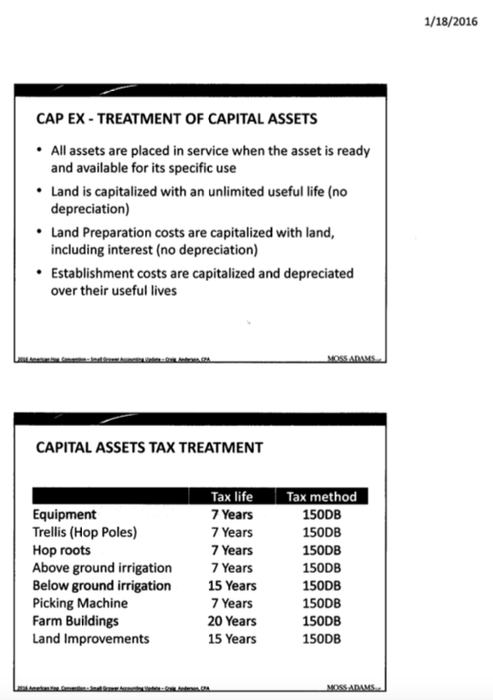
2016 American Hop Convention-Small Grower Accounting Update. Craig Anderson, CPA. Moss-Adams LLP. pg 1/2
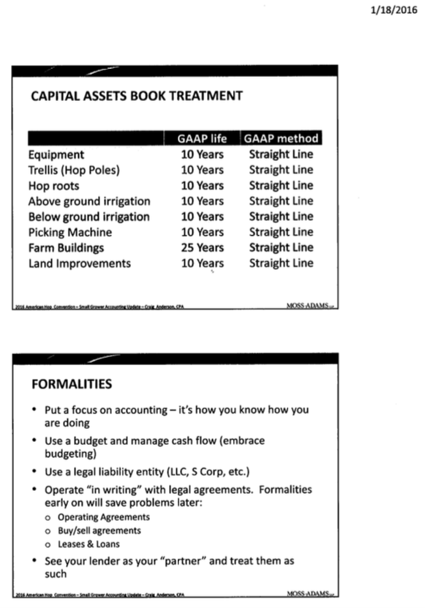
2016 American Hop Convention-Small Grower Accounting Update. Craig Anderson, CPA. Moss-Adams LLP. pg 2/2
Appendix D. Loan Detail (10 Acres)
Business loan payment (10 acre) GROW ONLY
Loan Amount | $226,051.94
Interest rate | 6.5%
Life of loan (years) | 5
Payments per year | 12
Total number of payments | 60
Payment per period (month) | $4,422.97
Sum of payments per year | $53,075.59
Sum of payments (total cost of loan) | $265,377.95
Total interest paid | $39,326.01

Business loan payment (10 acre) GROW HARVEST DRY BALE STORE
Loan Amount | $277,051.94
Interest rate | 6.5%
Life of loan (years) | 5
Payments per year | 12
Total number of payments | 60
Payment per period (month) | $5,420.84
Sum of payments per year | $65,050.07
Sum of payments (total cost of loan) | $325,250.36
Total interest paid | $48,198.42

**See the associated Moss Adams Amortization information presented at the 2016 American Hop Convention (1/18/2016)

